Notes
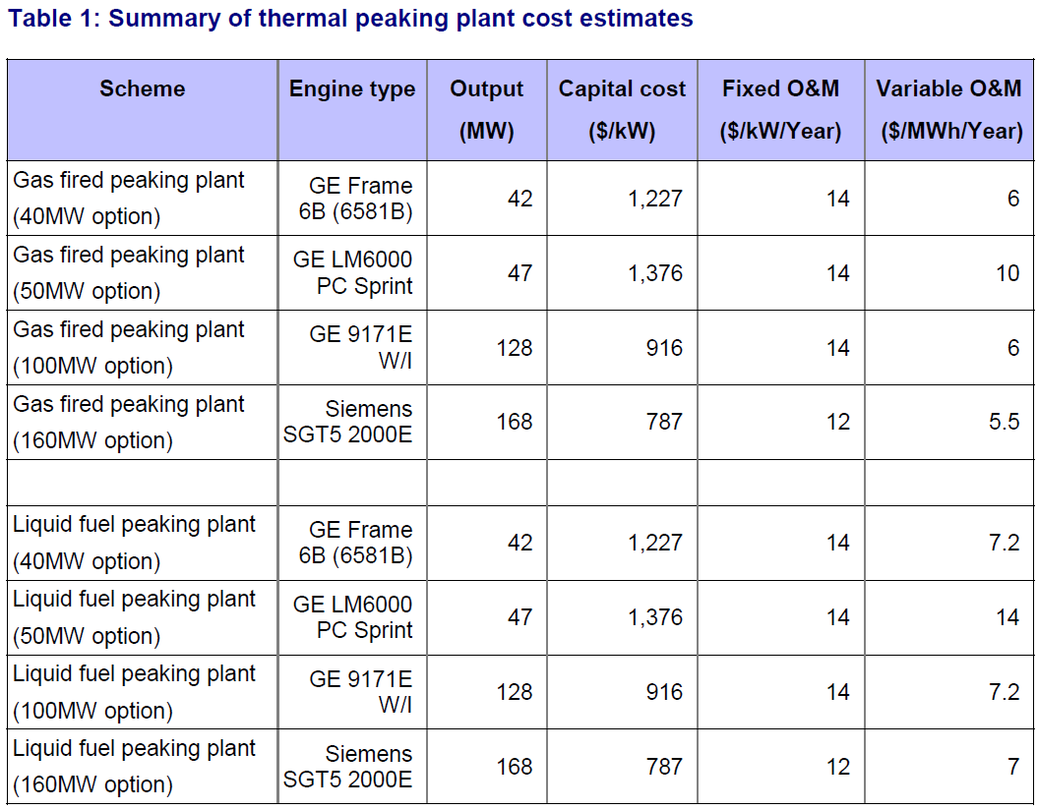
Source | Page | Notes | Calculations etc
PB_200806_Cost estimates for thermal peaking plant

 |  |  | 14 | NZ Dollar / kW / year | fixed O&M
 |  |  | 6 | NZ Dollar / MWh / year | variable O&M

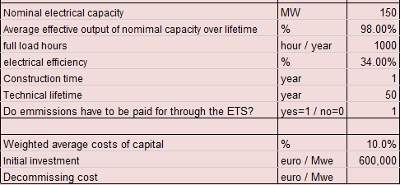
EO.N_201202.._Maarten Mangnus

 |  |  | 150 | MW | Nominal capacity
 |  |  | 0.98 | % | Average effective output
 |  |  | 1000 | hour / year | full load hours
 |  |  | 0.34 | % | efficiency
 |  |  | 1 | year | construction time
 |  |  | 50 | year | technical lifetime
 |  |  | 0.1 | % | WACC
 |  |  | 600000 | euro / MWe | initital investment

